Grand Summary
M/S MY INTERIORS

GSK OFFICE AT DOLMEN SKY TOWER, KARACHI
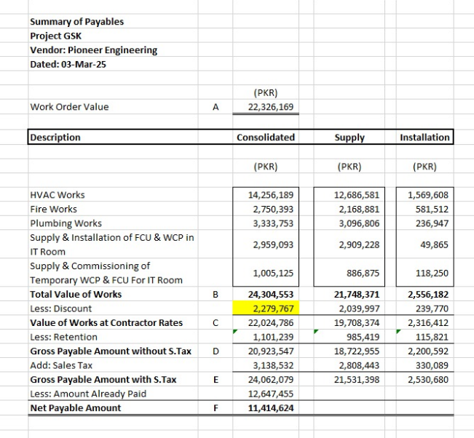
Running Bill No 3

Divisions | Description of Work | Supply Amount | Installation Amount | Total

1 | HVAC Works | 11,488,805 | 1,427,498 | 12,916,303
2 | Fire Works | 1,975,573 | 530,509 | 2,506,082
3 | Plumbing Works | 2,806,655 | 214,794 | 3,021,449
 | Grand Total (in PKR): | 16,271,032 | 2,172,801 | 18,443,833

 | Variation for FCU & WCPU (Captive aire) | 2,688,809 |  | 2,688,809 | 1,101,239
 | Variation for FCU & WCPU (Sabro) | 1,005,125 |  | 1,005,125 | 20,923,547 | 24623767
 | Grand Total Amount Rs | 19,964,966 | 2,172,801 | 22,137,767

 | Retention 5% | 998,248 | 108,640 | 1,106,888
 | Gross | 18,966,718 | 2,064,161 | 21,030,879

 | 18% GST on Supply (in PKR): | 3,414,009 | - | 3,414,009
 | 15% SST on Installation (in PKR): | - | 309,624 | 309,624
 | Grand Total Inclusive of Tax (in PKR): | 22,380,727 | 2,373,785 | 24,754,512 | 22,024,786 |  | 24,304,553
 |  |  |  |  |  |  | 2,287,058.44

 | Received in Previous Bill | - |  | 12,647,455
 | Adhoc received in current bill |  |  | 10,000,000

 | Receivables | - |  | 2,107,057

